Notes
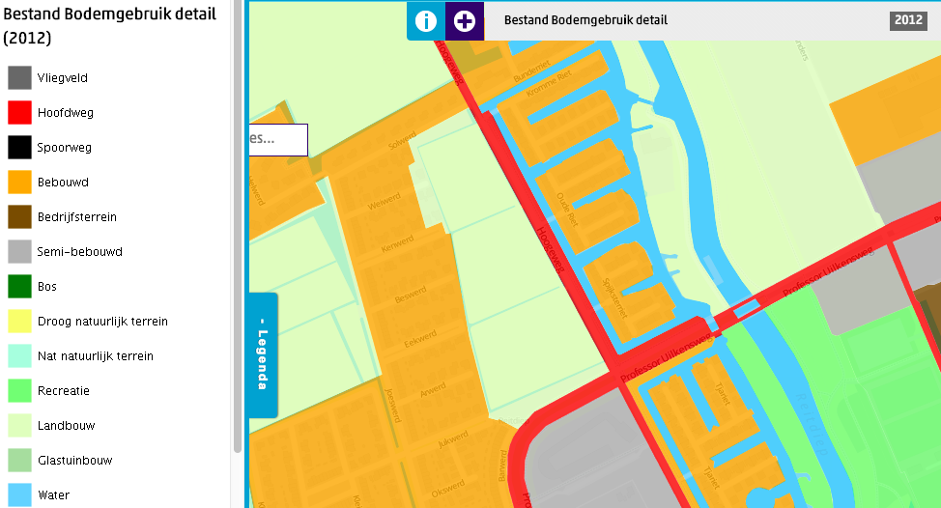
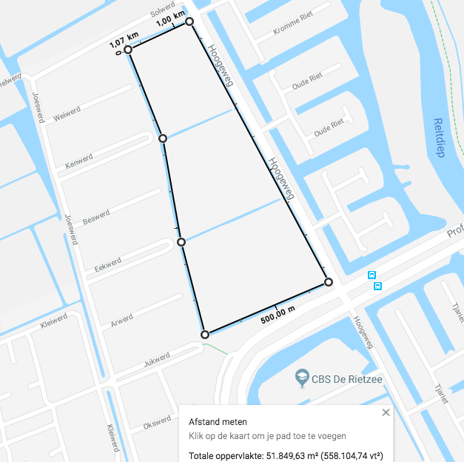
Daken beschikbaar voor zon PV
 | unit | total | source
Potentieel aantal panelen Reitdiep | stuks | 22624 | Verzamelkaart energieomgevingsplannen
Gemiddelde grootte paneel | m2 | 1.65 | De verzamelkaart geeft geen goede waarde van de grootte van een enkel paneel. Bij gebrek aan beter is gekozen voor 1.65m X 1.00 m, al is het niet volledig gestandaardiseerd, zie https://www.consumentenbond.nl/zonnepanelen/afmetingen-zonnepanelen; https://www.zonnepanelen.net/afmeting/ ; https://www.comparemysolar.nl/afmetingen-zonnepanelen/ ;
Total area available for solar PV on roofs | km2 | 0.0373296
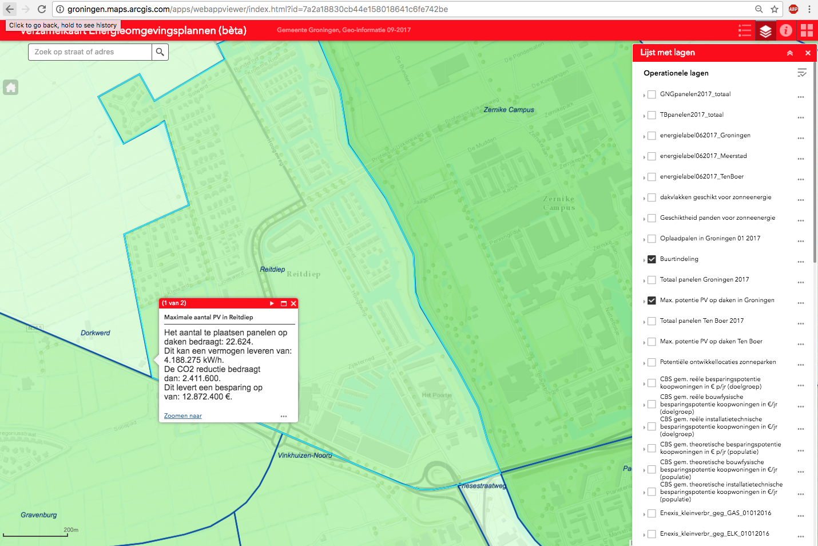
Total area available for solar PV on residences | km2 | 0.023144352 | NL value 62% residences and 38% on buildings
Total area available for solar PV on buildings | km2 | 0.014185248 | NL value 62% residences and 38% on buildings

Woningen (#) | # | 918 | CBS - per 1 januari 2017
Gebouwen (#) | # | 160 | CBS 2015 - het aantal bedrijfsvestigingen.
Sum residences + buildings | # | 1,078

Total arable land
 | unit |  | Source
m2 per km2 | m2 | 1000000
Total arable land | # | area | CBS | CBS, oppervlakte cultuurgrond (1 km2 = 10.000 are). Schatting op basis van http://www.cbsinuwbuurt.nl/#bodemgebruik2012 & google maps:
Total arable land | m2 | 51849.63 | Google maps | https://www.google.nl/maps/place/Groningen/@53.242852,6.5168889,16.52z/data=!4m5!3m4!1s0x47c83286b462cca7:0xcb4b5086f9a6c8dc!8m2!3d53.2193835!4d6.5665017
Dasboard value | ha | 0.05184963

